P2
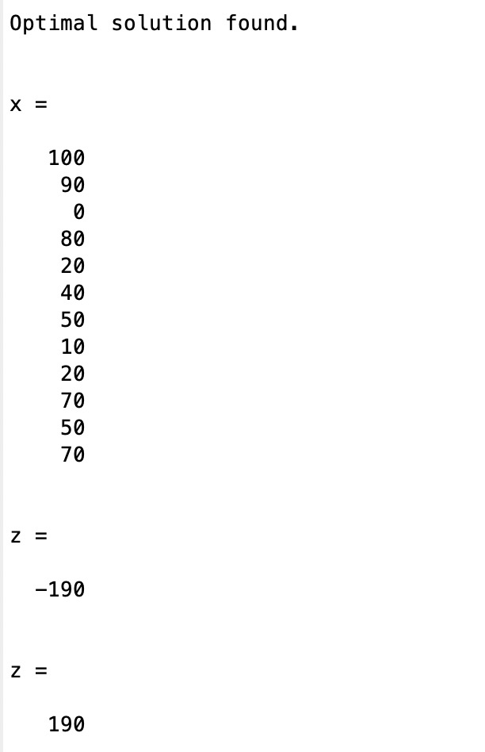
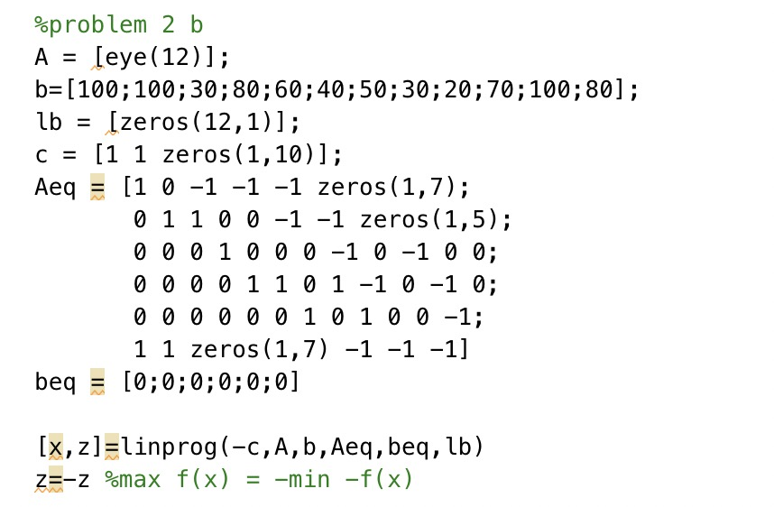
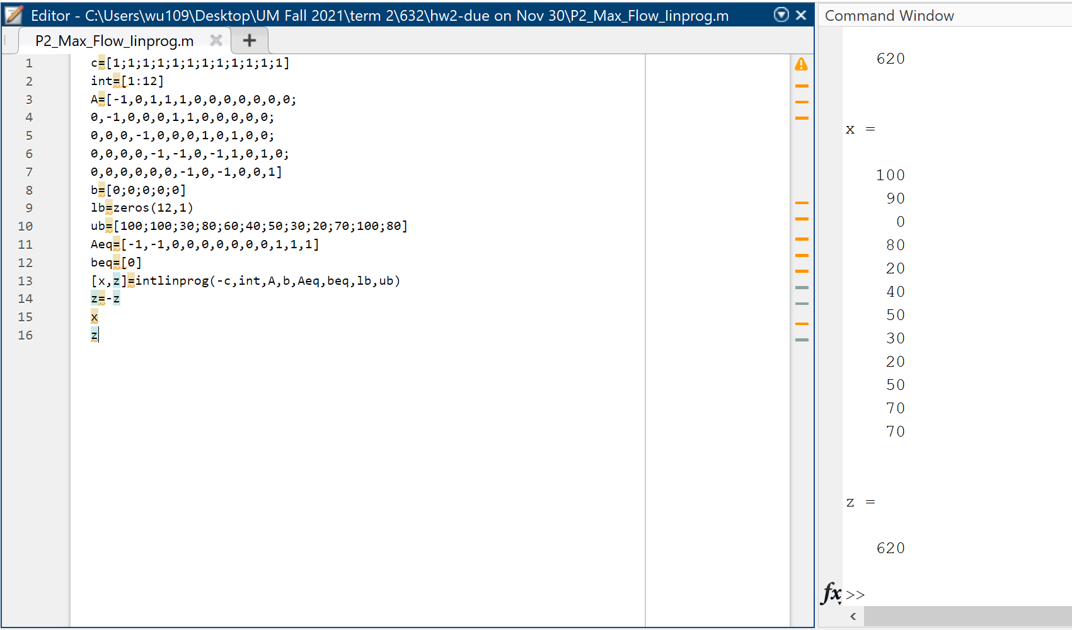
a) Set 12 decision variables | Constraints |  |  | b) Solutions based on MATLAB's linprog.m function | b) Yuhao's answer
 | lhs |  | rhs | Max flow=100+90=190
Flow rate (A-->B): x1 | x1 | <= | 100
Flow rate (A-->C): x2 | x2 | <= | 100
Flow rate (B-->C): x3 | x3 | <= | 30
Flow rate (B-->D): x4 | x4 | <= | 80
Flow rate (B-->E): x5 | x5 | <= | 60
Flow rate (C-->E): x6 | x6 | <= | 40
Flow rate (C-->F): x7 | x7 | <= | 50
Flow rate (D-->E): x8 | x8 | <= | 30
Flow rate (E-->F): x9 | x9 | <= | 20
Flow rate (D-->G): x10 | x10 | <= | 70
Flow rate (E-->G): x11 | x11 | <= | 100
Flow rate (F-->G): x12 | x12 | <= | 80
 | x3+x4+x5-x1 | <= | 0
Sum of x1 and x2 | x6+x7-x2 | <= | 0
 | x10+x8-x4 | <= | 0
 | x9+x11-x8-x5-x6 | <= | 0
 | x12-x9-x7 | <= | 0
 | x10+x11+x12-x1-x2 | = | 0
 | x1,x2….x12 all integer
 |  |  |  |  | b) Chenchen's answer
 |  |  |  |  | Flow rate | A→B | x1
c) Solutions based on MATLAB's graphmaxflow function |  |  | Max flow=190 |  |  | A→C | x2
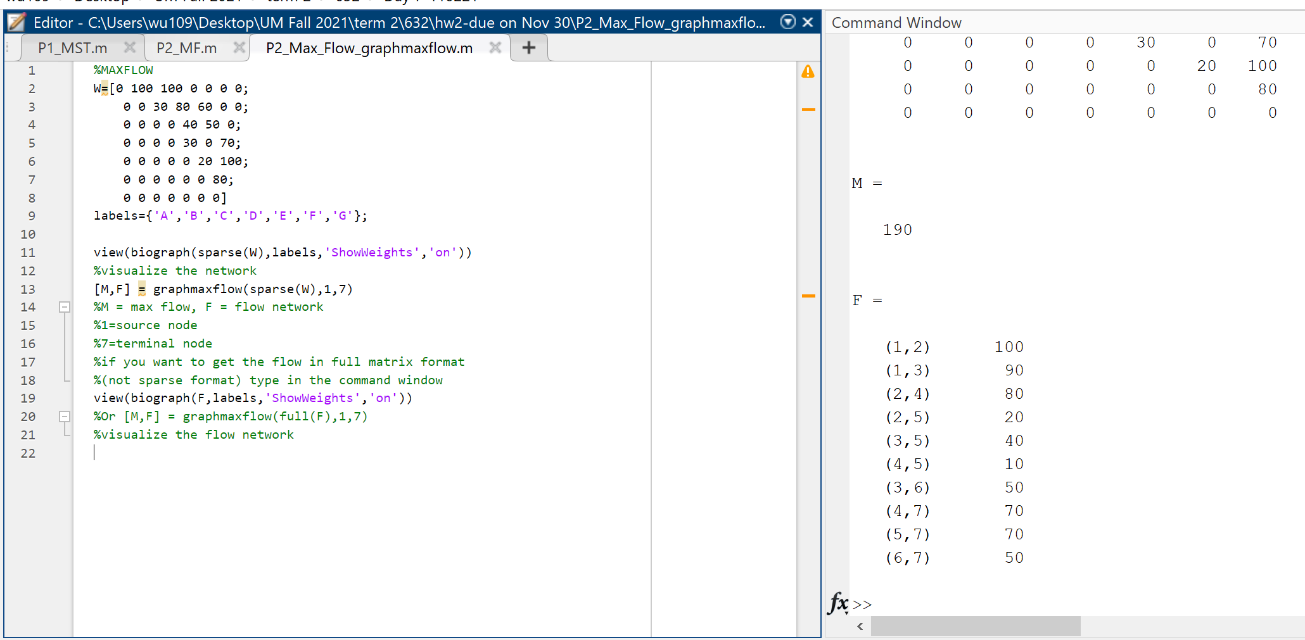
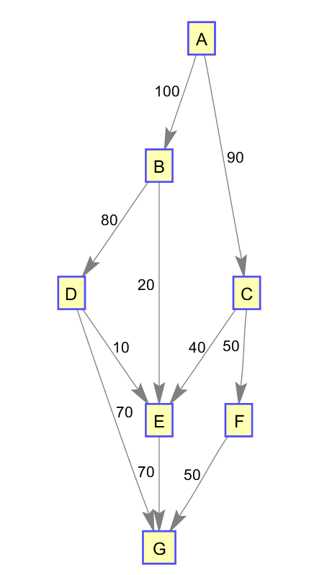
 |  |  |  |  |  | B→C | x3
 |  |  |  |  |  | B→D | x4
 |  |  |  |  |  | B→E | x5
 |  |  |  |  |  | C→E | x6
 |  |  |  |  |  | C→F | x7
 |  |  |  |  |  | D→E | x8
 |  |  |  |  |  | D→G | x9
 |  |  |  |  |  | E→F | x10
 |  |  |  |  |  | E→G | x11
 |  |  |  |  |  | F→G | x12

 |  |  |  |  | c=[1,1,zeros(1,10)]
 |  |  |  |  | int=(1:12)
 |  |  |  |  | lb=zeros(12,1)
 |  |  |  |  | ub=[100;100;30;80;60;40;50;30;70;20;100;80]
 |  |  |  |  | Aeq=[[1,0,-1,-1,-1, zeros(1,7)]; |  |  | B inflow = outflow
 |  |  |  |  | [0,1,1,0,0,-1,-1, zeros(1,5)]; |  |  | C inflow = outflow
 |  |  |  |  | [0,0,0,1,0,0,0,-1,-1,0,0,0]; |  |  | D inflow = outflow
 |  |  |  |  | [0,0,0,0,1,1,0,0,0,-1,-1,0]; |  |  | E inflow = outflow
 |  |  |  |  | [zeros(1,6),1,0,0,1,0,-1]; |  |  | F inflow = outflow
 |  |  |  |  | [1,1,zeros(1,6),-1,0,-1,-1]] |  |  | A outflow = G inflow

 |  |  |  |  | beq=[0;0;0;0;0;0]

 |  |  |  |  | A=[]
 |  |  |  |  | b=[]

 |  |  |  |  | [x,z]=intlinprog(-c,int,A,b,Aeq,beq,lb,ub)
 |  |  |  |  | z=-z

 |  |  |  |  | Result | Z= x1+ x2=190

P2-final
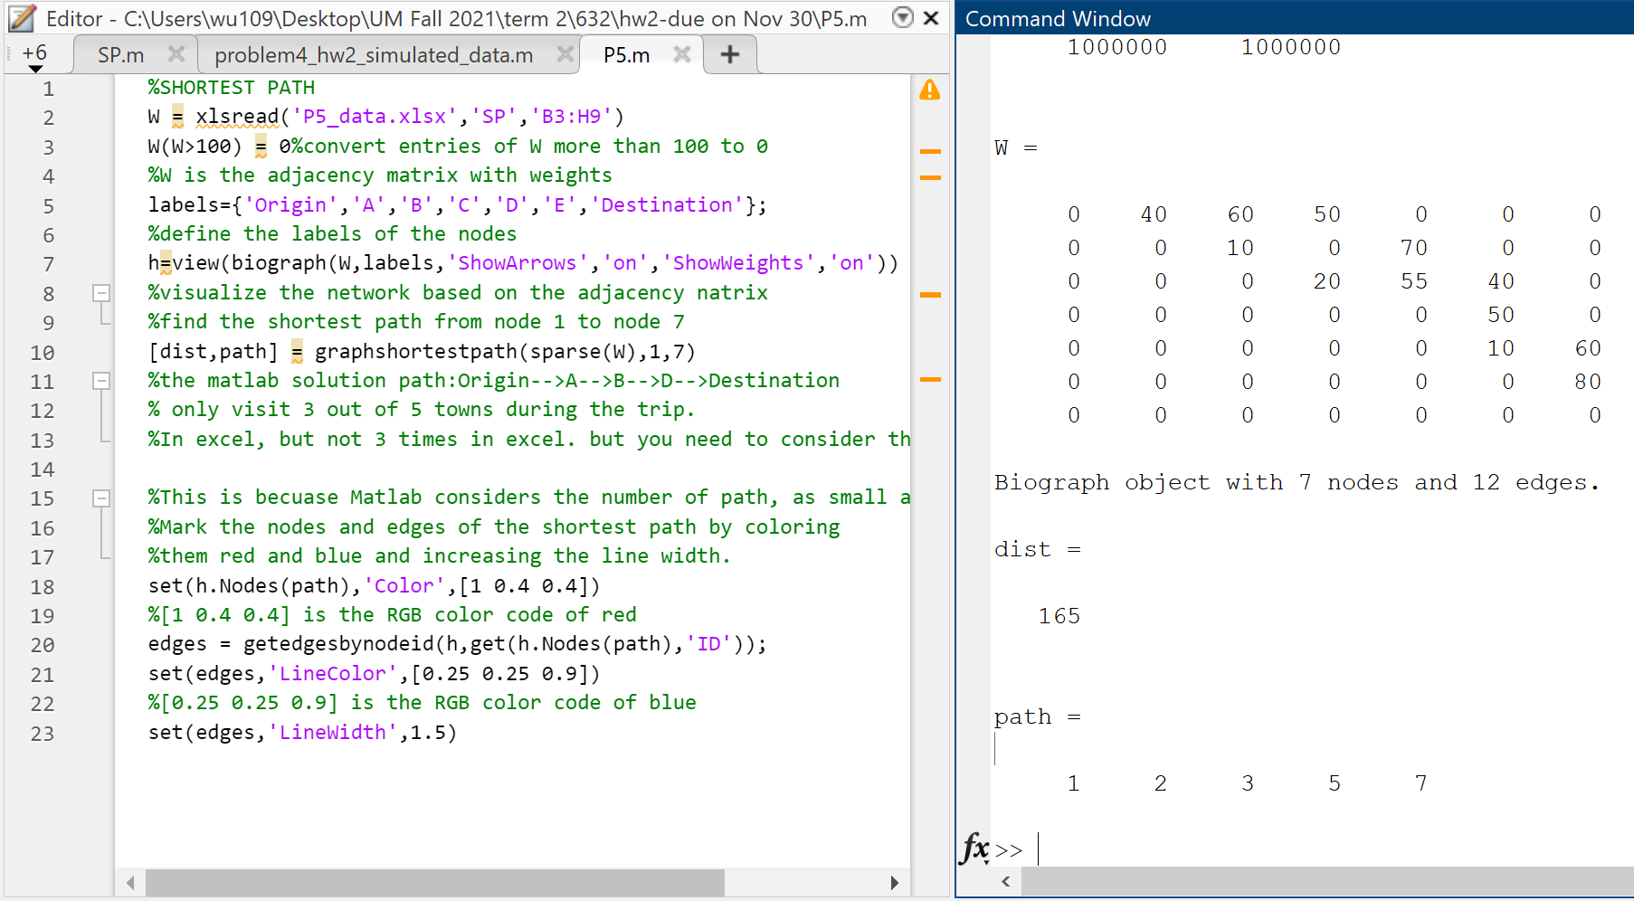
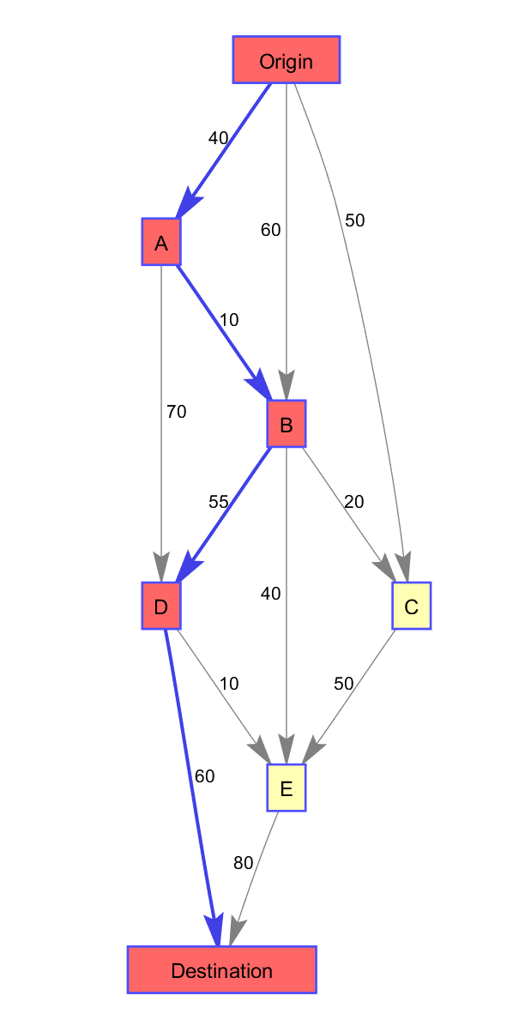
a) A directed graph drawn below | c) Solve the problem in Excel/Matlab using binary program |  |  |  |  |  |  |  |  |  | d) Solution based on MATLAB's function of "graphshortestpath" verified the answered obtained in Excel in c)
to represent the possible routes
from the origin to the destination | Arc Distances | origin
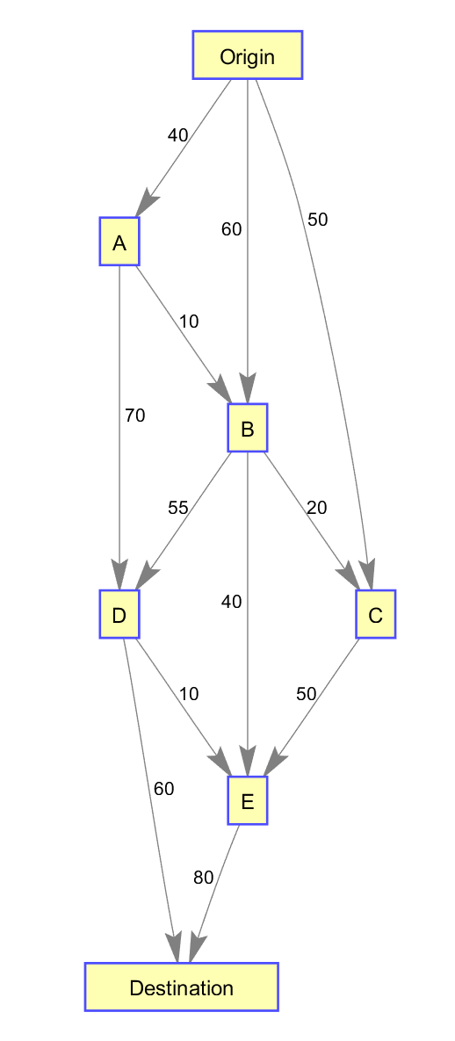
 |  | A | B | C | D | E | F | G | H | I
 | A | 0 | 40 | 60 | 50 | 1000000 | 1000000 | 1000000
 | A | 1000000 | 1000000 | 10 | 1000000 | 70 | 1000000 | 1000000
 | B | 1000000 | 1000000 | 1000000 | 20 | 55 | 40 | 1000000
 | C | 1000000 | 1000000 | 1000000 | 1000000 | 1000000 | 50 | 1000000
 | D | 1000000 | 1000000 | 1000000 | 1000000 | 1000000 | 10 | 60
 | E | 1000000 | 1000000 | 1000000 | 1000000 | 1000000 | 1000000 | 80
 | Destination | 1000000 | 1000000 | 1000000 | 1000000 | 1000000 | 1000000 | 1000000

 | Arc Distances | origin
 |  | Origin | A | B | C | D | E | Destination | sum(flow out)
 | Origin | 0 | 1 | 0 | 0 | 0 | 0 | 0 | 1
 | A | 0 | 0 | 1 | 0 | 0 | 0 | 0 | 1
 | B | 0 | 0 | 0 | 0 | 1 | 0 | 0 | 1
 | C | 0 | 0 | 0 | 0 | 0 | 0 | 0 | 0
 | D | 0 | 0 | 0 | 0 | 0 | 0 | 1 | 1
 | E | 0 | 0 | 0 | 0 | 0 | 0 | 0 | 0
 | Destination | 0 | 0 | 0 | 0 | 0 | 0 | 0 | 0
 | sum(flow in) | 0 | 1 | 1 | 0 | 1 | 0 | 1

 | total distance | 165 | optimal path:Origin-->A-->B-->D-->Destination

